Sheet1
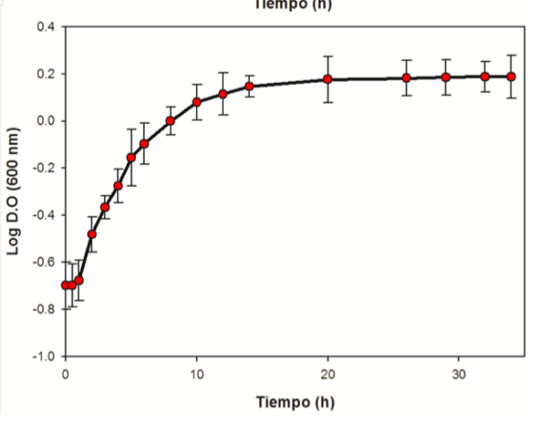

i | x | y
1 | 1 | 4.6666666667
2 | 1.7692307692 | 15.061143984
3 | 1.7692307692 | 15.061143984
4 | 1.7692307692 | 15.061143984
5 | 1.7692307692 | 15.061143984
6 | 1.7692307692 | 15.061143984
7 | 1.7692307692 | 15.061143984
8 | 1.7692307692 | 15.061143984
9 | 1.7692307692 | 15.061143984
10 | 1.7692307692 | 15.061143984
11 | 1.7692307692 | 15.061143984
12 | 1.7692307692 | 15.061143984
13 | 1.7692307692 | 15.061143984

 |  |  | integral | 136.36069388
xf | 11
x1 | 1
b | 13
h | 0.76923076923

